Chart View
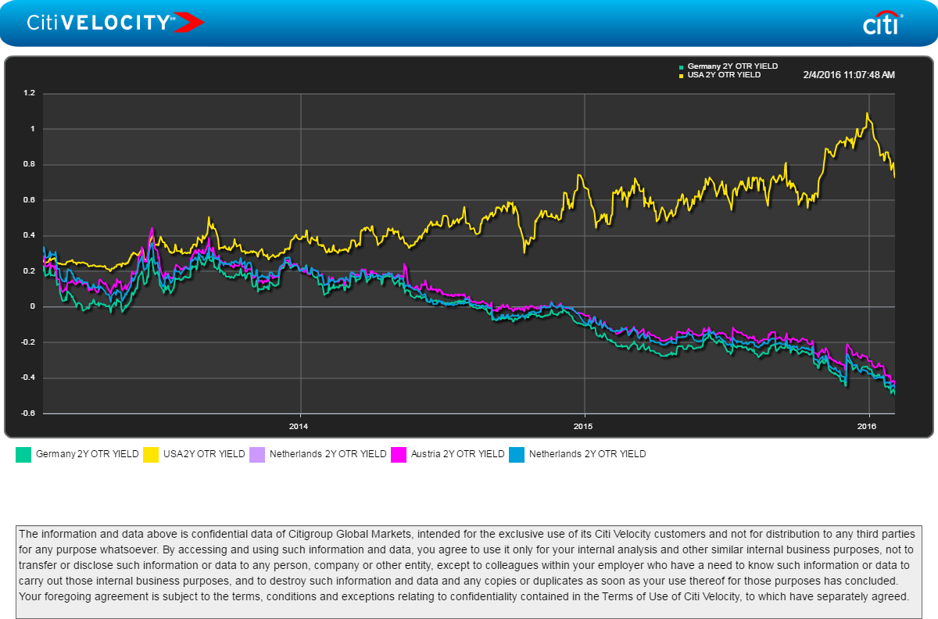
https://www.citivelocity.com/menu/CREDIT_AN_CH_2?chartLink=a8b9a4d8efd3e4e53ee28c3af1c1345f

